Page Layout
Project Name |  |  |  | Wow tasty |  | User Type |  |  |  |  | User |  |  |  | Writer | Hak Choi
Phase |  |  |  | Requirements programing design |  | Page Name |  |  |  |  | Edit Password |  |  |  | Date | 11/18/2012

 | 1. Page layout

 |  | 1 ) layout
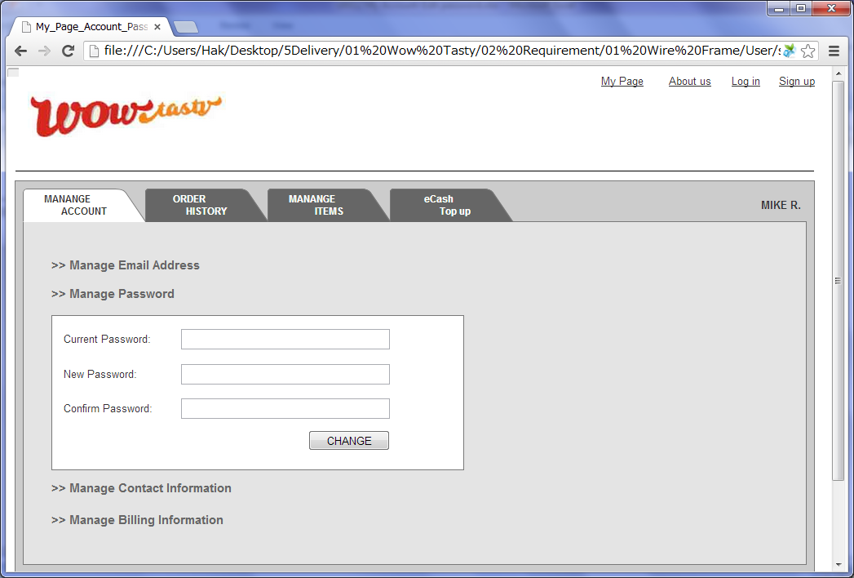

 |  | 2) Field list

 |  | No. | Name |  | Controller |  | Len | Align |  | Default |  | Note
 |  | 1 | Current Password |  | Textfield |  | 20 | Left |  | Blank
 |  | 2 | New Password |  | Textfield |  | 20 | Left |  | Blank |  | While inputing, check the password is qualified
 |  | 3 | Confirm Password |  | Textfield |  | 20 | Left |  | Blank |  | While inputing, check the password is matched with "New Password"
 |  | 4 | Change |  | Button

 |  | 3) Validation list

 |  | - Unit validation
 |  | No. | Name |  | Required | Type |  |  | Other |  |  |  |  | Error Message
 |  | 1 | Current Password |  | Yes | Password |  |  | NOT matched with DB pwd |  |  |  |  | E0001, E0005
 |  | 2 | New Password |  | Yes | Password |  |  |  |  |  |  |  | E0001, E0003
 |  | 3 | Confirm Password |  | Yes | Password |  |  | NOT matched with "New Password" |  |  |  |  | E0001, E0005

 |  | - Correlation validation
 |  | No. | Condition |  | Field |  |  |  |  |  | Required |  | Other | Error message

Page Transition
Project Name |  |  |  |  | Wow tasty |  | User Type |  | User |  | Writer |  | Hak Choi
Phase |  |  |  |  | Requirements programing design |  | Page Name |  | Edit Password |  | Date |  | 11/18/2012

 | 2. Page Transition

 |  | 1) Event List

 |  | No. | Name |  |  | Event |  | Condition |  | Destination page
 |  | 1 | Change |  |  | Click |  | Validation OK |  | Show [Edit Password] layer
 |  | 2 |  |  |  |  |  | Validation Error |  | Show [Edit Password] layer

 |  | 2) Page Transition |  |  |  |  |  |  |  |  |  | page |  | layer

1,2

 |  |  |  | Edit Password

